欄位對照表
sketch
PDF Field | RD DB Table | RD DB Column | Desc
Header
season | SAM_STYLE | YEAR_SEASON | 範例:19SP 年份只存後兩碼 季節:SP=Spring,SU=Summer,FA=Fall,FW=Fall & Winter,HO = Holiday
style | SAM_STYLE | REAL_STYLE
style desc | SAM_STYLE | STYLE_NAME | 扣掉最後面款號的部分即為RD內的資料
product size definition | SAM_STYLE_SIZE | SIZE_CODE | 從下面的尺寸表中撈尺寸，再 select id from SAM_STYLE where STYLE_NO = Stlye # + Season 並將得到的ID與SIZE_CODE insert一筆進TABLE
brand | SAM_STYLE | CUST_NAME
dividion
class
pod
style status
generated date
新增欄位 | SAM_STYLE | STYLE_DESC | 為下面四個LEVEL組合而成
新增欄位 | SAM_STYLE | STYLE_DESC_LEVEL1 | 類別:大女、大男、小女、小男、中性、幼童、嬰兒
新增欄位 | SAM_STYLE | STYLE_DESC_LEVEL2 | 類別:平織、針織
新增欄位 | SAM_STYLE | STYLE_DESC_LEVEL3 | 類別:有裡、無裡
新增欄位 | SAM_STYLE | STYLE_DESC_LEVEL4 | 類別:二件式泳裝、三件式泳裝、什貨、內衣/褲、半門襟上衣、半開襟背心、外套(平接袖)、外套(拉克蘭袖)、全開襟背心、泳裝、長袖上衣(平接袖)、長袖上衣(拉克蘭袖)、長褲、洋裝、背心、套裝、胸式上衣、配件、連身褲、單件式泳裝/褲裙(內為三角褲)、短袖上衣(平接袖)、短袖上衣(拉克蘭袖)、短褲、罩衫、裙子、裙子/褲裙(內為四角褲)
style sketch | SAM_STYLE | PIC_PATH | 娃娃圖路徑
BOM Comments
Standard Placement | SAM_MO_D | PART_CODE | 由USER INPUT
Placement | SAM_MO_D | PARTS_DESC | 帶入並可讓USER修改
新增欄位 Standard Placement + Placement | SAM_MO_D | PARTS_CODE + PARTS_DESC | PARTS_CODE + PARTS_DESC 若是副料且PARTS_CODE跟PARTS_DESC的長度皆>0，則為PARTS_CODE + '：' + PARTS_DESC。 | PARTS_CODE PARTS_DESC | SAM_MO_D | PARTS_CODE PARTS_DESC | SAM_MO_D | PARTS_CODE PARTS_DESC | SAM_MO_D | PARTS_CODE PARTS_DESC | SAM_MO_D | PARTS_CODE PARTS_DESC | SAM_MO_D | PARTS_CODE PARTS_DESC | SAM_MO_D | PARTS_CODE PARTS_DESC | SAM_MO_D | PARTS_CODE PARTS_DESC | SAM_MO_D | PARTS_CODE PARTS_DESC | SAM_MO_D | PARTS_CODE PARTS_DESC | SAM_MO_D | PARTS_CODE PARTS_DESC | SAM_MO_D | PARTS_CODE PARTS_DESC | SAM_MO_D | PARTS_CODE PARTS_DESC | SAM_MO_D | PARTS_CODE PARTS_DESC | SAM_MO_D | PARTS_CODE PARTS_DESC | SAM_MO_D | PARTS_CODE PARTS_DESC | SAM_MO_D | PARTS_CODE PARTS_DESC | SAM_MO_D | PARTS_CODE PARTS_DESC | SAM_MO_D | PARTS_CODE PARTS_DESC | SAM_MO_D | PARTS_CODE PARTS_DESC | SAM_MO_D | PARTS_CODE PARTS_DESC | SAM_MO_D | PARTS_CODE PARTS_DESC | SAM_MO_D | PARTS_CODE PARTS_DESC | SAM_MO_D | PARTS_CODE PARTS_DESC | SAM_MO_D | PARTS_CODE PARTS_DESC | SAM_MO_D | PARTS_CODE PARTS_DESC | SAM_MO_D | PARTS_CODE PARTS_DESC | SAM_MO_D | PARTS_CODE PARTS_DESC | SAM_MO_D | PARTS_CODE PARTS_DESC | SAM_MO_D | PARTS_CODE PARTS_DESC | SAM_MO_D | PARTS_CODE PARTS_DESC | SAM_MO_D | PARTS_CODE PARTS_DESC | SAM_MO_D | PARTS_CODE PARTS_DESC | SAM_MO_D | PARTS_CODE PARTS_DESC | SAM_MO_D | PARTS_CODE PARTS_DESC | SAM_MO_D | PARTS_CODE PARTS_DESC | SAM_MO_D | PARTS_CODE PARTS_DESC | SAM_MO_D | PARTS_CODE PARTS_DESC | SAM_MO_D | PARTS_CODE PARTS_DESC | SAM_MO_D | PARTS_CODE PARTS_DESC | SAM_MO_D | PARTS_CODE PARTS_DESC | SAM_MO_D | PARTS_CODE PARTS_DESC | SAM_MO_D | PARTS_CODE PARTS_DESC | SAM_MO_D | PARTS_CODE PARTS_DESC | SAM_MO_D | PARTS_CODE PARTS_DESC | SAM_MO_D | PARTS_CODE PARTS_DESC | SAM_MO_D | PARTS_CODE PARTS_DESC | SAM_MO_D | PARTS_CODE PARTS_DESC | SAM_MO_D | PARTS_CODE PARTS_DESC | SAM_MO_D | PARTS_CODE PARTS_DESC | SAM_MO_D | PARTS_CODE PARTS_DESC | SAM_MO_D | PARTS_CODE PARTS_DESC | SAM_MO_D | PARTS_CODE PARTS_DESC | SAM_MO_D | PARTS_CODE PARTS_DESC | SAM_MO_D | PARTS_CODE PARTS_DESC | SAM_MO_D | PARTS_CODE PARTS_DESC | SAM_MO_D | PARTS_CODE PARTS_DESC | SAM_MO_D | PARTS_CODE PARTS_DESC | SAM_MO_D | PARTS_CODE PARTS_DESC | SAM_MO_D | PARTS_CODE PARTS_DESC | SAM_MO_D | PARTS_CODE PARTS_DESC | SAM_MO_D | PARTS_CODE PARTS_DESC | SAM_MO_D | PARTS_CODE PARTS_DESC | SAM_MO_D | PARTS_CODE PARTS_DESC | SAM_MO_D | PARTS_CODE PARTS_DESC | SAM_MO_D | PARTS_CODE PARTS_DESC | SAM_MO_D | PARTS_CODE PARTS_DESC | SAM_MO_D | PARTS_CODE PARTS_DESC | SAM_MO_D | PARTS_CODE PARTS_DESC | SAM_MO_D | PARTS_CODE PARTS_DESC | SAM_MO_D | PARTS_CODE PARTS_DESC | SAM_MO_D | PARTS_CODE PARTS_DESC | SAM_MO_D | PARTS_CODE PARTS_DESC | SAM_MO_D | PARTS_CODE PARTS_DESC | SAM_MO_D | PARTS_CODE PARTS_DESC | SAM_MO_D | PARTS_CODE PARTS_DESC | SAM_MO_D | PARTS_CODE PARTS_DESC | SAM_MO_D | PARTS_CODE PARTS_DESC | SAM_MO_D | PARTS_CODE PARTS_DESC | SAM_MO_D | PARTS_CODE PARTS_DESC | SAM_MO_D | PARTS_CODE PARTS_DESC | SAM_MO_D | PARTS_CODE PARTS_DESC | SAM_MO_D | PARTS_CODE PARTS_DESC | SAM_MO_D | PARTS_CODE PARTS_DESC | SAM_MO_D | PARTS_CODE PARTS_DESC | SAM_MO_D | PARTS_CODE PARTS_DESC | SAM_MO_D | PARTS_CODE PARTS_DESC | SAM_MO_D | PARTS_CODE PARTS_DESC | SAM_MO_D | PARTS_CODE PARTS_DESC | SAM_MO_D | PARTS_CODE PARTS_DESC | SAM_MO_D | PARTS_CODE PARTS_DESC | SAM_MO_D | PARTS_CODE PARTS_DESC | SAM_MO_D | PARTS_CODE PARTS_DESC | SAM_MO_D | PARTS_CODE PARTS_DESC | SAM_MO_D | PARTS_CODE PARTS_DESC | SAM_MO_D | PARTS_CODE PARTS_DESC | SAM_MO_D | PARTS_CODE PARTS_DESC | SAM_MO_D | PARTS_CODE PARTS_DESC | SAM_MO_D | PARTS_CODE PARTS_DESC | SAM_MO_D | PARTS_CODE PARTS_DESC | SAM_MO_D | PARTS_CODE PARTS_DESC | SAM_MO_D | PARTS_CODE PARTS_DESC | SAM_MO_D | PARTS_CODE PARTS_DESC | SAM_MO_D | PARTS_CODE PARTS_DESC | SAM_MO_D | PARTS_CODE PARTS_DESC | SAM_MO_D | PARTS_CODE PARTS_DESC | SAM_MO_D | PARTS_CODE PARTS_DESC | SAM_MO_D | PARTS_CODE PARTS_DESC | SAM_MO_D | PARTS_CODE PARTS_DESC | SAM_MO_D | PARTS_CODE PARTS_DESC | SAM_MO_D | PARTS_CODE PARTS_DESC | SAM_MO_D | PARTS_CODE PARTS_DESC | SAM_MO_D | PARTS_CODE PARTS_DESC | SAM_MO_D | PARTS_CODE PARTS_DESC | SAM_MO_D | PARTS_CODE PARTS_DESC | SAM_MO_D | PARTS_CODE PARTS_DESC | SAM_MO_D | PARTS_CODE PARTS_DESC | SAM_MO_D | PARTS_CODE PARTS_DESC | SAM_MO_D | PARTS_CODE PARTS_DESC | SAM_MO_D | PARTS_CODE PARTS_DESC | SAM_MO_D | PARTS_CODE PARTS_DESC | SAM_MO_D | PARTS_CODE PARTS_DESC | SAM_MO_D | PARTS_CODE PARTS_DESC | SAM_MO_D | PARTS_CODE PARTS_DESC | SAM_MO_D | PARTS_CODE PARTS_DESC | SAM_MO_D | PARTS_CODE PARTS_DESC
新增欄位 | SAM_MO_D | PARTS_DESC_CHN | 另外有中文描述讓USER輸入 並記憶讓下次自動帶入
Supplier Article # | SAM_MO_D | MAT_ID | select ID from [SAM_MAT_DEF] where MAT_NO = Supplier Article # 若找不到讓使用者選擇，並記憶選取值，下次相同的物料即使用本次挑選的值
Material Status |  |  | 待與Anni討論
Material |  |  | 待與Anni討論
Supplier |  |  | 待與Anni討論
Total Leadtime |  |  | 待與Anni討論
Bulk Production LeadTime -Days |  |  | 待與Anni討論
Usage | SAM_MO_D | PER_REQUIRE_QTY | 待與Anni討論
BOM UOM |  |  | 待與Anni討論
Price Per Unit Total |  |  | 待與Anni討論
Garment Color | SAM_MO_COLOR | COLOR_ID | select id from SAM_CUST_COLOR_DEF where ENG_COLOR = 成衣顏色， 再把SAM_MO_M(樣品單主檔)的ID、 SAM_MO_D(樣品單明細)的ID， 再根據以上資料insert一筆資料進去至此表內
Garment Color_New (新增欄位) | SAM_MO_COLOR | COLOR_ID | 未來再討論是否刪除
Material Color | SAM_MO_COLOR_D | SIZE_DID | select id from SAM_MAT_COLOR_DEF where COLOR_DESC = 物料顏色， 再把SAM_MO_M(樣品單主檔)的ID、 SAM_MO_D(樣品單明細)的ID、 SAM_MO_COLOR(樣品單成衣色組)的ID， 再根據以上資料insert一筆資料進去至此表內
Material Color_New (新增欄位) | SAM_MO_COLOR_D | SIZE_DID | 未來再討論是否刪除
Size Table
# | SAM_SIZE_TABLE_M | CODE
Name | SAM_SIZE_TABLE_M | POSITION
新增欄位 | SAM_SIZE_TABLE_M | POSITION_CHN | 另外有中文描述讓USER輸入 並記憶讓下次自動帶入
Criticality | SAM_SIZE_TABLE_M | DESC1
Tol (-) | SAM_SIZE_TABLE_M | TOL_NEGTIVE
Tol (+) | SAM_SIZE_TABLE_M | TOL_PLUS
HTM Instruction | SAM_SIZE_TABLE_M | DESC2
SIZE | SAM_SIZE_TABLE_D | SIZE_ID | select id from SAM_STYLE_SIZE where SIZE_CODE = 'SIZE'
Size Value | SAM_SIZE_TABLE_D | VALUE

工作表2
BOM
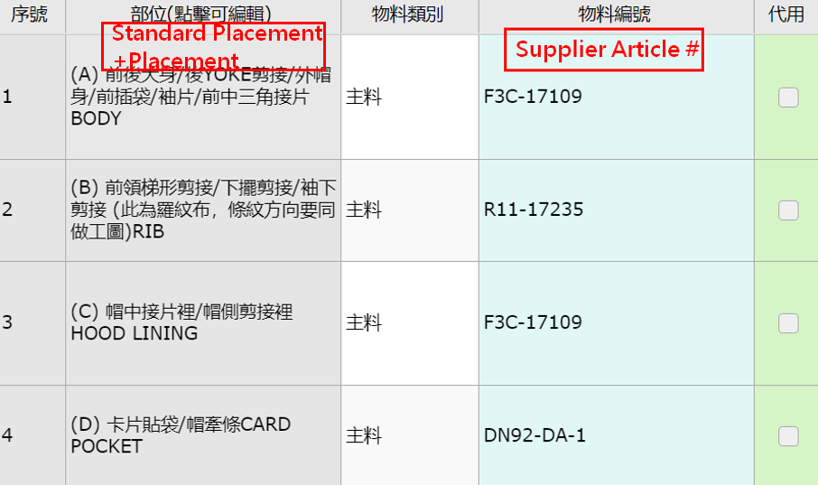
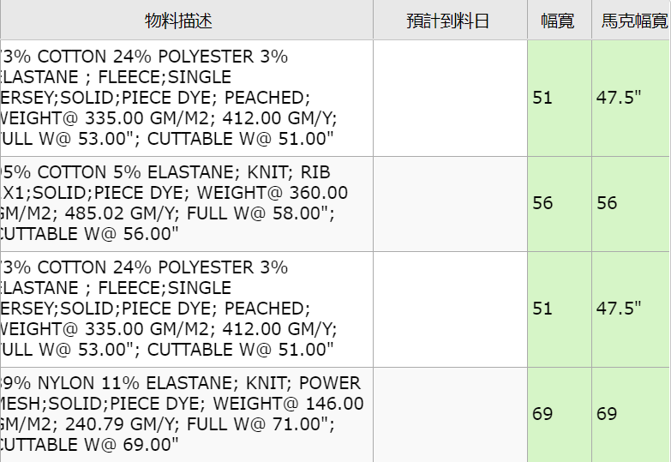
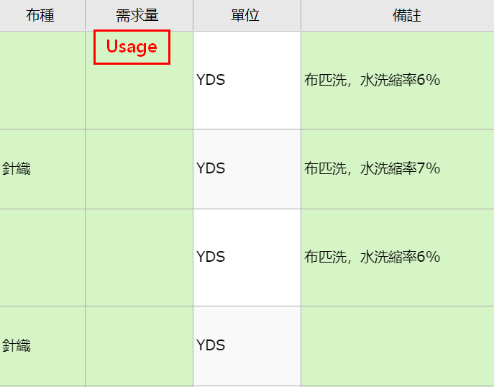

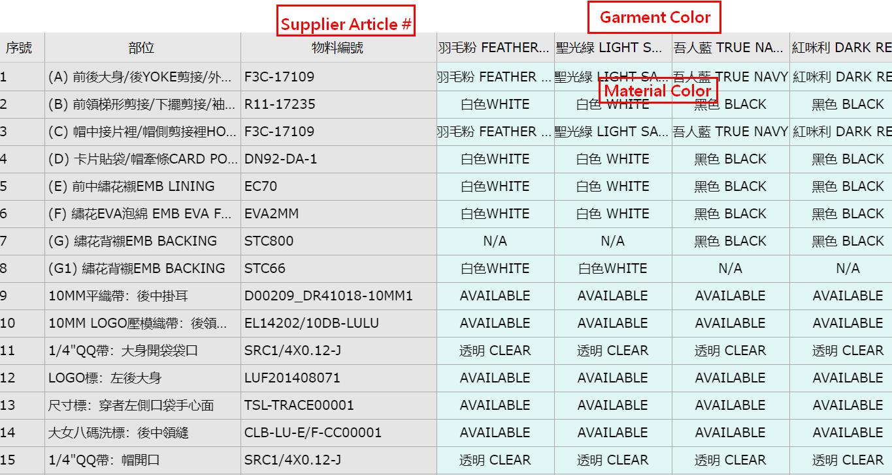
配色

尺寸表 | RD系統內尚無尺寸表，但TABLE格式會與TECHPACK相同

